Weekly National
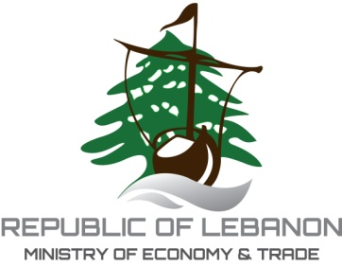

Directorate General of Economy and Trade
Technical Center for Pricing Policies
 |  |  |  | National Weekly Average Price & index of Fatouch 2026
1000
 |  |  |  |  |  |  |  |  |  |  |  |  |  |  |  | Total
 | Share in g | 50 | 50 | 15 | 10 | 50 | 50 | 30 | 10 | 20 | 20 | 15 | 5 | 5 | 30 | 360
 | (item) | بندورة | خيار | بصل | ثوم | حامض | خس | بقدونس | نعنع | بقلة | فجل | زيت زيتون | سماق | ملح | خبز محمص

Avg price per unit | in LL | 119,000 | 121,999 | 66,949 | 107,036 | 78,933 | 129,888 | 204,163 | 189,664 | 128,998 | 138,498 | 17,500,000 | 1,200,000 | 70,415 | 65,000 | 20,120,543
simple avg per share |  | 5,950.0 | 6,100.0 | 1,004.2 | 3,567.9 | 3,946.6 | 6,494.4 | 6,124.9 | 1,896.6 | 2,580.0 | 2,770.0 | 16,406.3 | 6,000.0 | 503.0 | 2,335.3 | 65,679.1
Weights(26th Jan-17th Feb 2026) |  | 10.33% | 10.62% | 1.60% | 6.08% | 6.15% | 8.67% | 8.03% | 2.80% | 4.04% | 3.96% | 24.52% | 8.97% | 0.75% | 3.49% | 100.00%
Composite price | 18th-Feb | 614.48 | 647.86 | 16.02 | 217.01 | 242.68 | 562.87 | 491.68 | 53.15 | 104.17 | 109.65 | 4,023.19 | 538.09 | 3.78 | 81.52 | 7,706.13

Unit Price
Fatouch Weekly Unit Price - 2026
 | National Price | Beirut & MT Lebanon Price
26th Jan-17th Feb 2026 | 66903.46 | 1
18/02/2026 | 65679.09

